Step 1 Elan Service Request
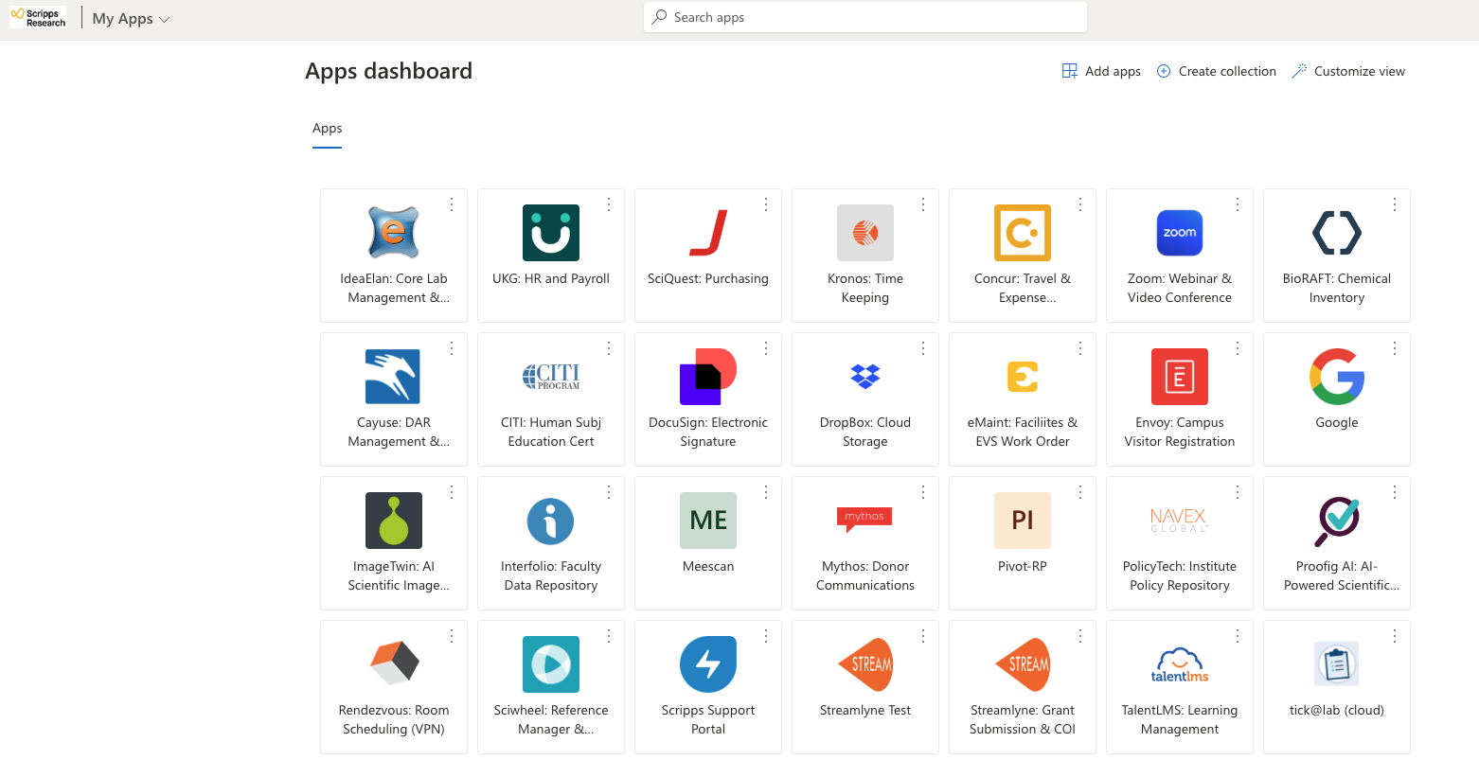
 | The Genomics Core requires an Elan Infinity service request to be completed before we can begin a project. This is the Genomics Core Project Submission Sheet, which primary hosted within the Elan Infinity Scripps Genomics Core Submission Portal but can be downloaded from the Genomics Core website.

1 | Navigate to the Scripps Research Idea Elan Infinity page

2 | Request access to the Genomics Core (if needed)

3 | Fill the minimum require fields in the Idea Elan Infinity Genomics Core Sample Submission Portal

4 | Complete the Genomcis Core Project Submission Sheet following the steps

5 | Review the information the Genomics Core Project Submission Sheet for correctness

6 | Email completed sheet to sequencing@scripps.edu and your genomics core point of contact (POC) staff scientist. Don't forget to update the sheet file name!

 | Please email sequencing@scripps.edu if you have any questions.

